correction list
Correction Utaren
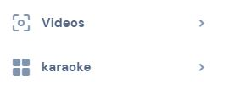
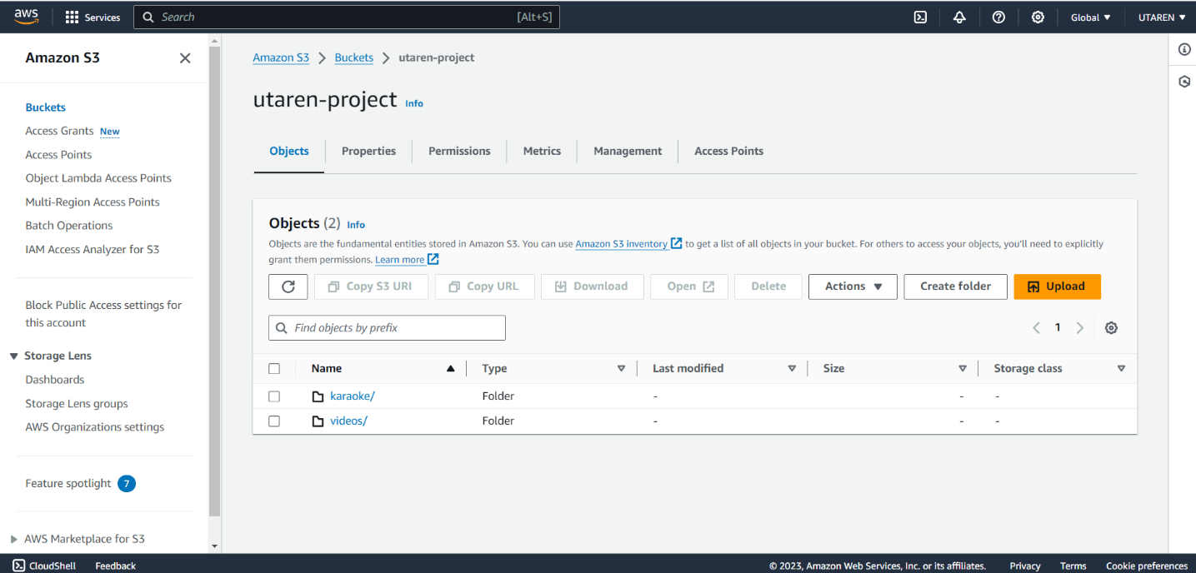
1 | Web page |  | change the overall shape to vertically long | Done

2 | email verification was implemented when sign-up?
3 | Did you create S3 for video data? Pls show us the server diagram. |  |  | Done
★ | Thanks for adding Karaoke independent menu!
4 | Please create sub menu under Contact - espesialy massive email sending out is important. You may create this at User Manage |  |  | Done

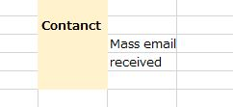
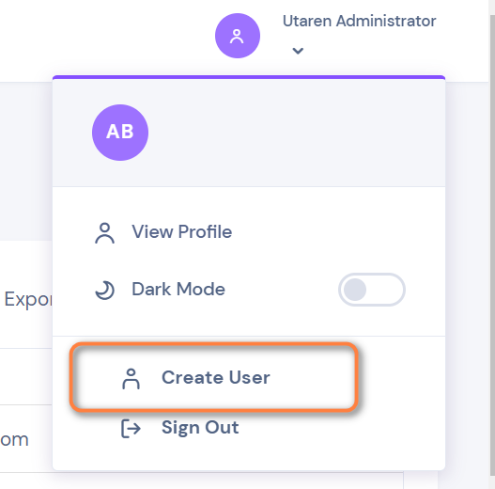
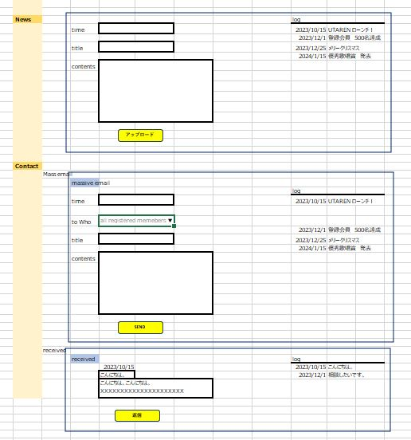
5 | App |  |  |  | Done
 |  | sign-up page does not come out, so we cannot sign-up, nor check admin |  | Done
6 | Admin news, Contact
 |  | Please add LOG(History) at the right side |  | Done
7 | Admin - Contact
 |  | Please add 'Send emails to all memebers' functionality |  | Done

#1
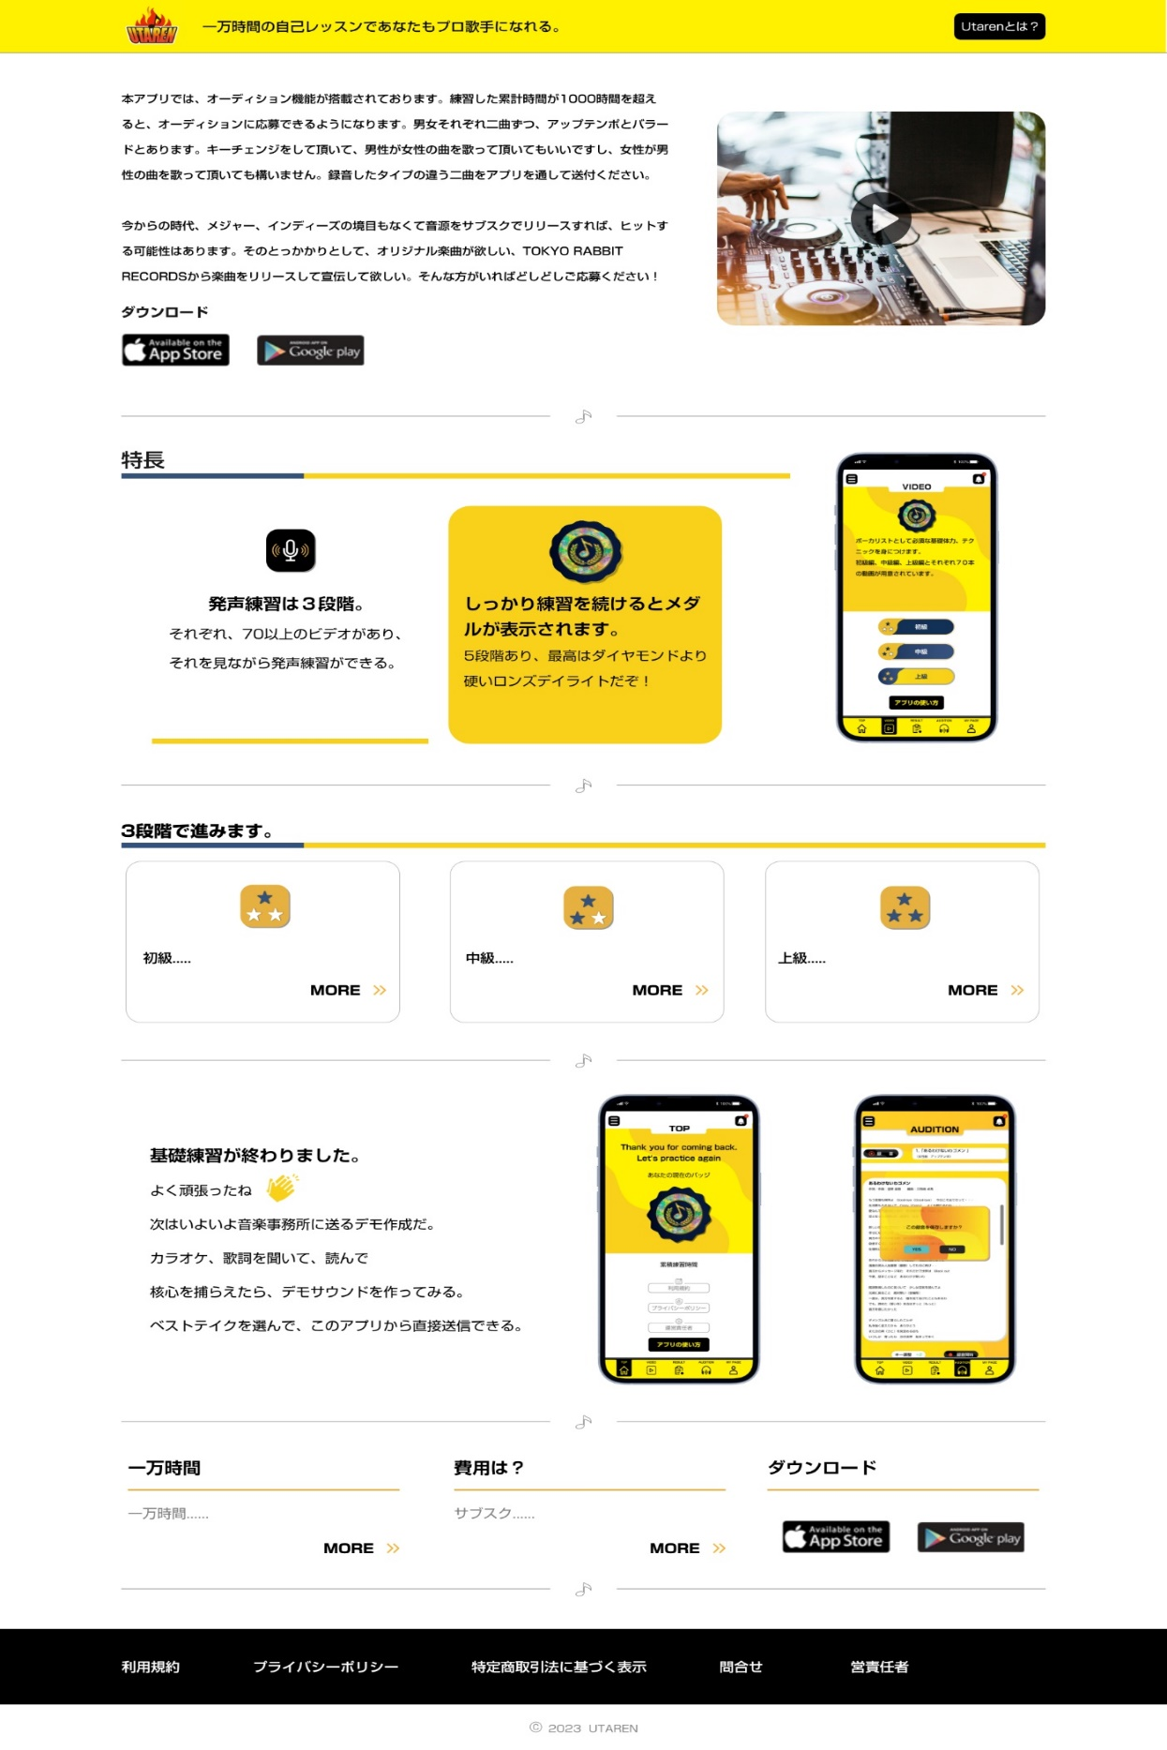
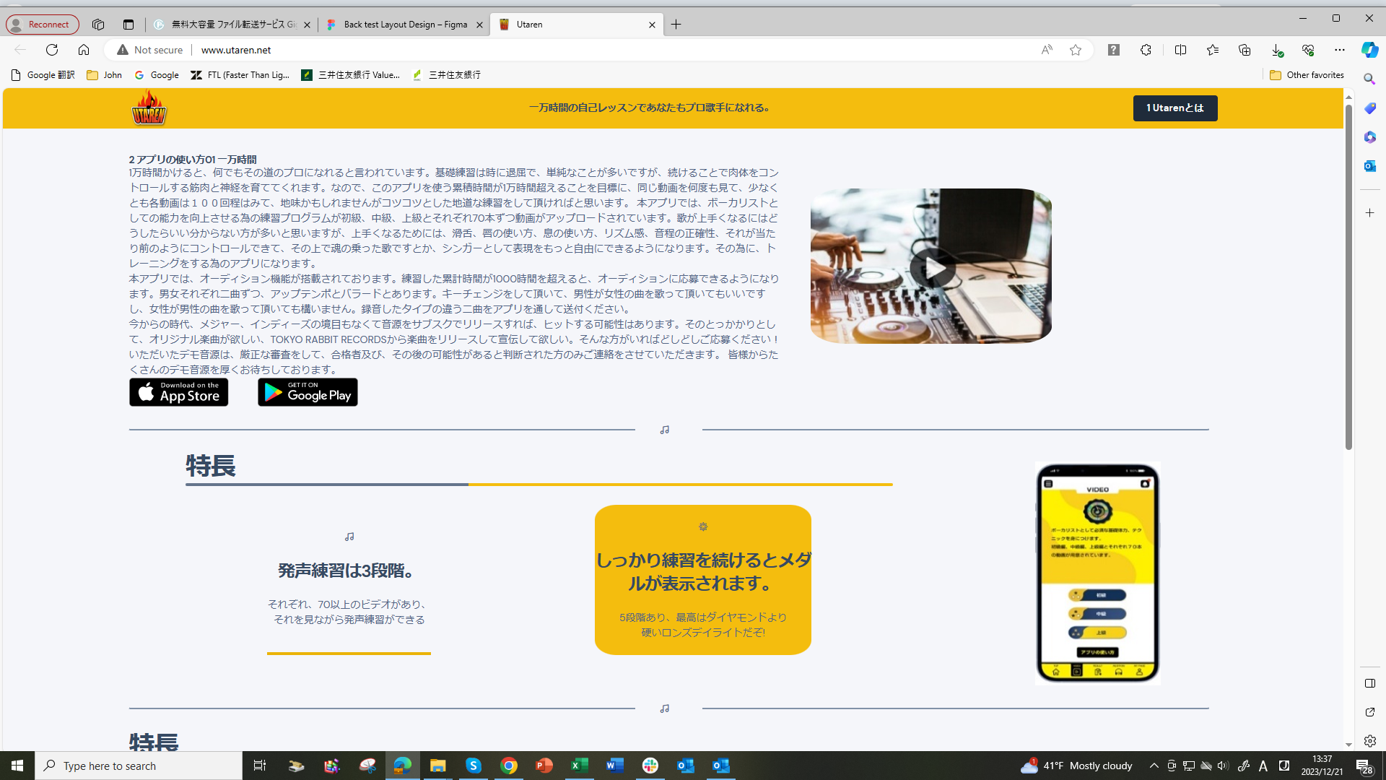

We want a vertically long shape as our design
Pls reform it
Dec.21

#1-2
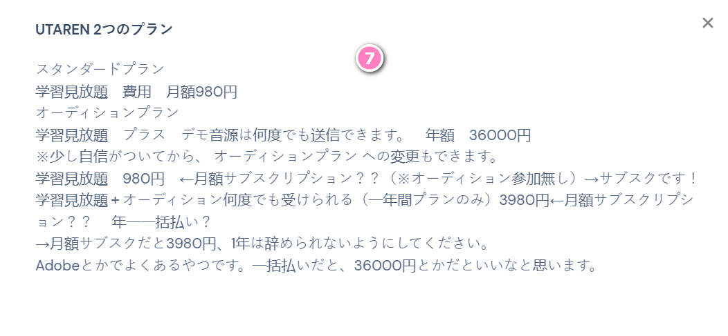
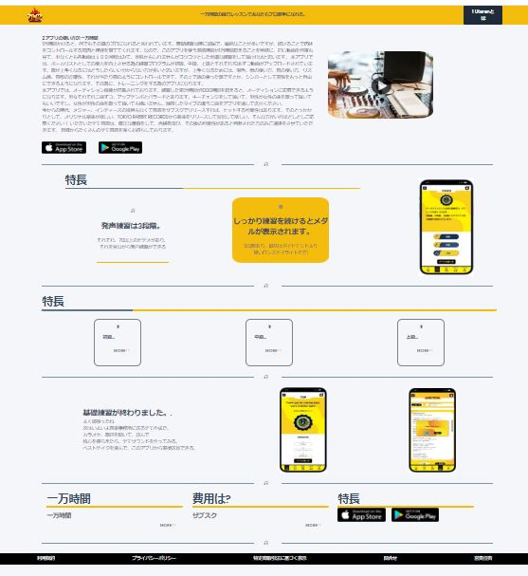
1
2
3
 | Aspect Ration
 |  | Make the vertical length longer, make the horozontal length shoter, approx. 30% than now
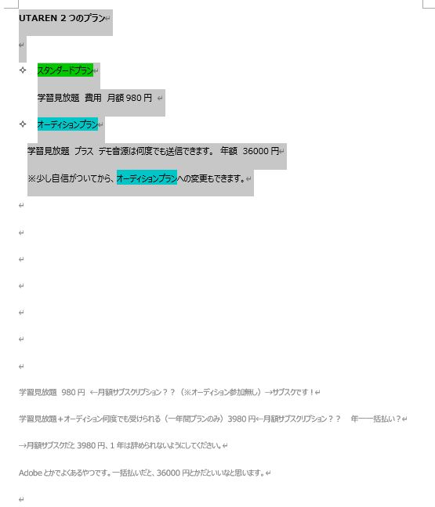
1 | make Title Logo mark Bigger by more than 30%
2 | Move Catching text to just beside of Logo mark
3 | Text is WRONG
 |  | 1 Utarenとは | → | Utarenとは
9
4 | mobile image--bigger, make it bigger double size than now
5_1 | title text : 初級、中級、上級
4
 | make the text size bigger by more that 3 points
5_2 | Delete the unnecesary texts at 3 places - 初級、中級、上級

7

5
5
5

6
6
5_3 | make 3 frames bigger by double size
6 | mobile image--bigger, make it bigger double size than now

7 | Modify the text like this…..You should be more carefull for our text like this
UTAREN 2つのプラン
スタンダードプラン
学習見放題 費用 月額980円
オーディションプラン
学習見放題 プラス デモ音源は何度でも送信できます。 年額 36000円
※少し自信がついてから、オーディションプランへの変更もできます。
8

7
9

10
11
12
13

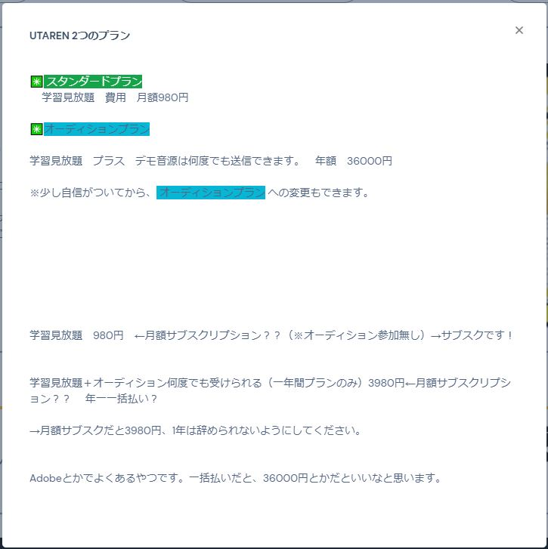
8 | Correct the text 特長 → ダウンロード
9 | Download button--bigger, make it bigger double size than now
10 | Footer is too short, make it higher by 5, 6 times
11 | Wrong text! Use the text file #9
12 | Wrong text! Use the text file #10
 | Properly create Contact Us dymnamic page!
13 | Wrong text! Use the text file #11
 | Text is WRONG
 |  | 営責任者 | → | 運営責任者

contact us
Contact us

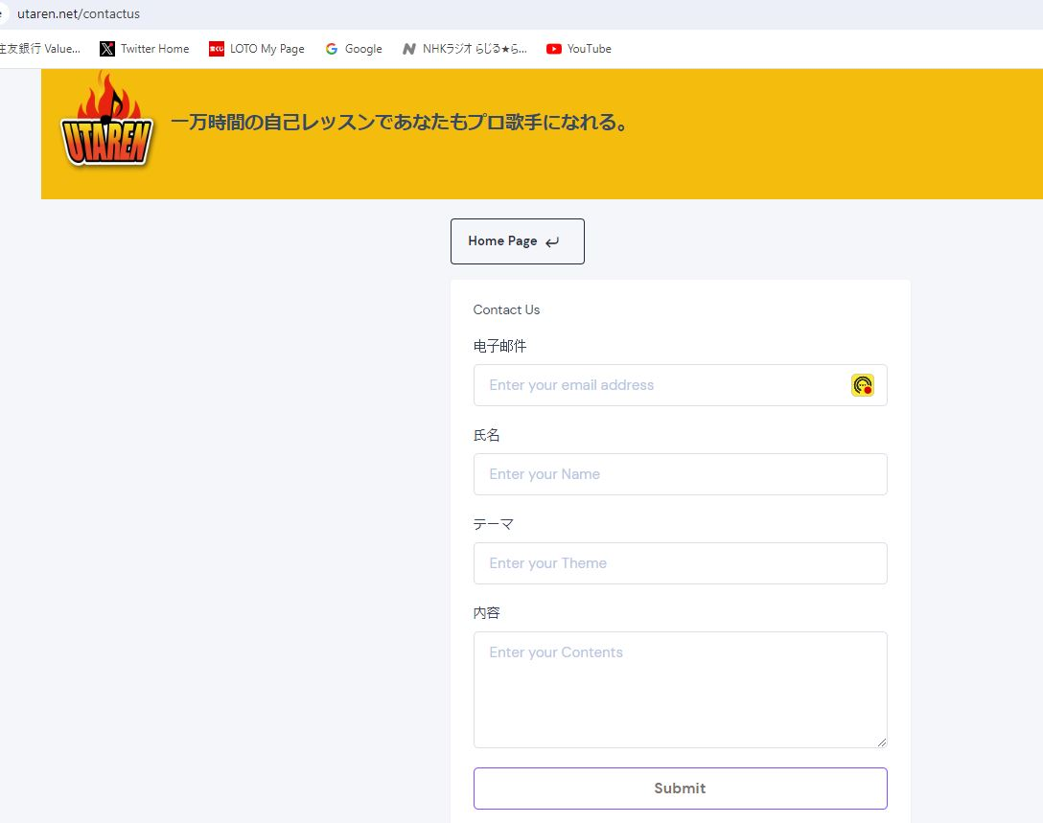

 | 1 | Is this necesssary ?

 | 2 | make the text bigger by 3 point

1
 | 3 | this is Chinese, pls change to お問合せ

2

3
 | 4 | email is redirected to this account? Can we let them check?
 |  | usapyontalk@gmail.com

4

